Throughput by Time
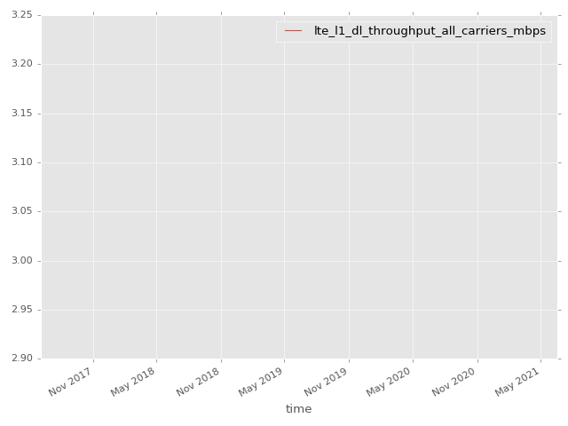
App Throughput by Time Graph | LTE Throughput by Time Graph

gsm_rxlev_sub_dbm
gsm_rxlev_sub_dbm Report

Sampling Distribution Histogram
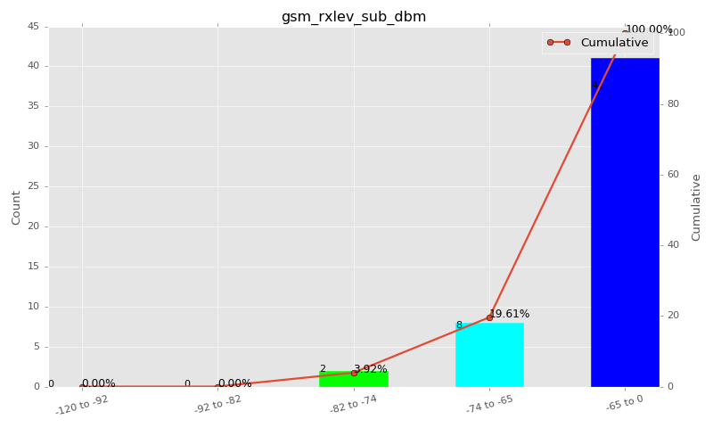

Sampling Distribution Table (first 10 ranges)
ColorXml | Lower | Upper | N Samples | Range | % | Cumulative %
 | -120 | -92 | 0 | -120 to -92 | 0.00 | 0.00
 | -92 | -82 | 0 | -92 to -82 | 0.00 | 0.00
 | -82 | -74 | 2 | -82 to -74 | 3.92 | 3.92
 | -74 | -65 | 8 | -74 to -65 | 15.69 | 19.61
 | -65 | 0 | 41 | -65 to 0 | 80.39 | 100.00

Basic statistics
N | 51
Mean | -63.31
SD | 4.29
MAX | -57.00
Median | -62.00
Min | -79.00

Geographical Plot

gsm_rxqual_sub
gsm_rxqual_sub Report

Sampling Distribution Histogram
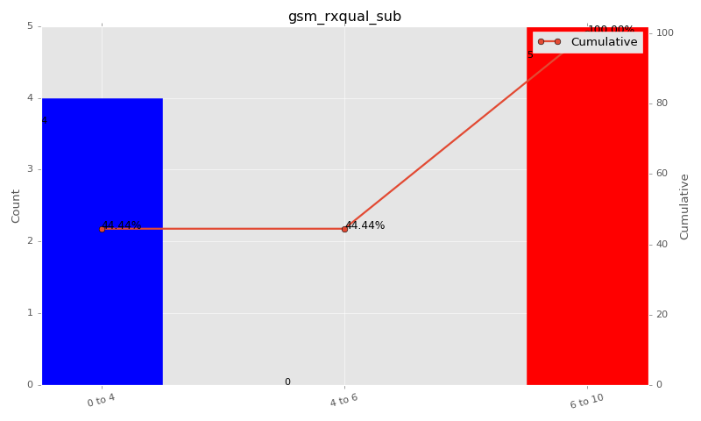

Sampling Distribution Table (first 10 ranges)
ColorXml | Lower | Upper | N Samples | Range | % | Cumulative %
 | 0 | 4 | 4 | 0 to 4 | 44.44 | 44.44
 | 4 | 6 | 0 | 4 to 6 | 0.00 | 44.44
 | 6 | 10 | 5 | 6 to 10 | 55.56 | 100.00

Basic statistics
N | 9
Mean | 3.89
SD | 3.69
MAX | 7.00
Median | 7.00
Min | 0.00

Geographical Plot

gsm_arfcn_bcch
gsm_arfcn_bcch Report

Sampling Distribution Histogram
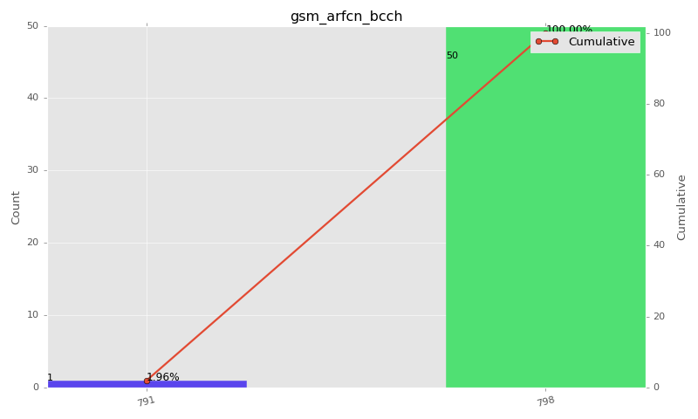

Sampling Distribution Table (first 10 ranges)
ColorXml | Lower | Upper | match_value | N Samples | Range | % | Cumulative %
 |  |  | 791 | 1 |  | 1.96 | 1.96
 |  |  | 798 | 50 |  | 98.04 | 100.00

Basic statistics
N | 51
Mean | N/A (id-type column: gsm_arfcn_bcch)
SD | N/A (id-type column: gsm_arfcn_bcch)
MAX | N/A (id-type column: gsm_arfcn_bcch)
Median | N/A (id-type column: gsm_arfcn_bcch)
Min | N/A (id-type column: gsm_arfcn_bcch)

Geographical Plot

lte_l1_dl_throughput_all_carri
lte_l1_dl_throughput_all_carriers Report

Sampling Distribution Histogram
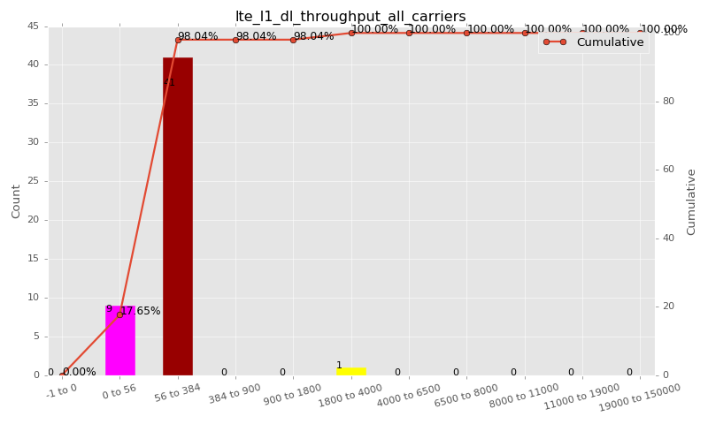

Sampling Distribution Table (first 10 ranges)
ColorXml | Lower | Upper | N Samples | Range | % | Cumulative %
 | -1 | 0 | 0 | -1 to 0 | 0.00 | 0.00
 | 0 | 56 | 9 | 0 to 56 | 17.65 | 17.65
 | 56 | 384 | 41 | 56 to 384 | 80.39 | 98.04
 | 384 | 900 | 0 | 384 to 900 | 0.00 | 98.04
 | 900 | 1800 | 0 | 900 to 1800 | 0.00 | 98.04
 | 1800 | 4000 | 1 | 1800 to 4000 | 1.96 | 100.00
 | 4000 | 6500 | 0 | 4000 to 6500 | 0.00 | 100.00
 | 6500 | 8000 | 0 | 6500 to 8000 | 0.00 | 100.00
 | 8000 | 11000 | 0 | 8000 to 11000 | 0.00 | 100.00
 | 11000 | 19000 | 0 | 11000 to 19000 | 0.00 | 100.00

Basic statistics
N | 51
Mean | 152.49
SD | 420.38
MAX | 3072.00
Median | 80.00
Min | 5.54

Geographical Plot

lte_inst_rsrp_1
lte_inst_rsrp_1 Report

Sampling Distribution Histogram
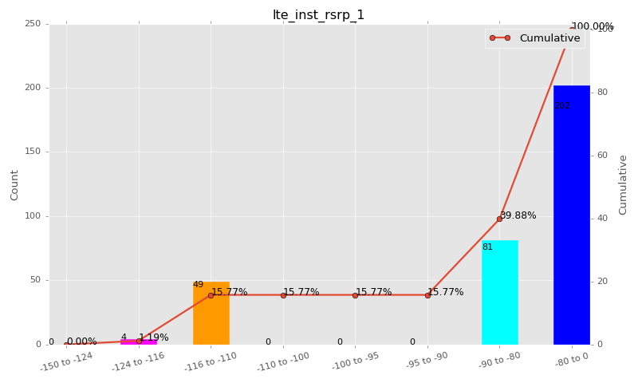

Sampling Distribution Table (first 10 ranges)
ColorXml | Lower | Upper | N Samples | Range | % | Cumulative %
 | -150 | -124 | 0 | -150 to -124 | 0.00 | 0.00
 | -124 | -116 | 4 | -124 to -116 | 1.19 | 1.19
 | -116 | -110 | 49 | -116 to -110 | 14.58 | 15.77
 | -110 | -100 | 0 | -110 to -100 | 0.00 | 15.77
 | -100 | -95 | 0 | -100 to -95 | 0.00 | 15.77
 | -95 | -90 | 0 | -95 to -90 | 0.00 | 15.77
 | -90 | -80 | 81 | -90 to -80 | 24.11 | 39.88
 | -80 | 0 | 202 | -80 to 0 | 60.12 | 100.00

Basic statistics
N | 336
Mean | -84.47
SD | 13.08
MAX | -75.53
Median | -79.31
Min | -116.69

Geographical Plot

lte_inst_rsrq_1
lte_inst_rsrq_1 Report

Sampling Distribution Histogram
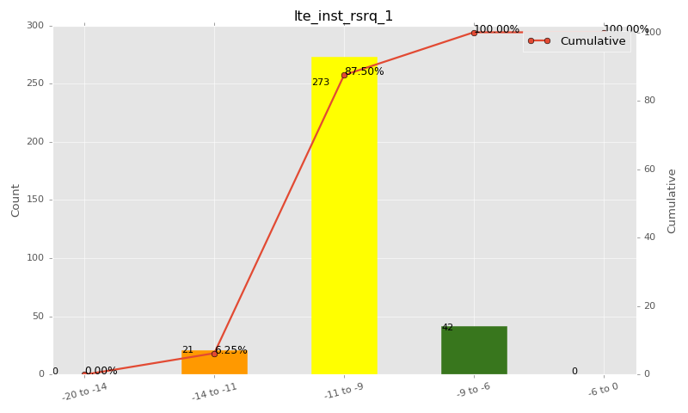

Sampling Distribution Table (first 10 ranges)
ColorXml | Lower | Upper | N Samples | Range | % | Cumulative %
 | -20 | -14 | 0 | -20 to -14 | 0.00 | 0.00
 | -14 | -11 | 21 | -14 to -11 | 6.25 | 6.25
 | -11 | -9 | 273 | -11 to -9 | 81.25 | 87.50
 | -9 | -6 | 42 | -9 to -6 | 12.50 | 100.00
 | -6 | 0 | 0 | -6 to 0 | 0.00 | 100.00

Basic statistics
N | 336
Mean | -9.95
SD | 0.91
MAX | -6.72
Median | -10.09
Min | -12.25

Geographical Plot

lte_inst_rssi_1
lte_inst_rssi_1 Report

Sampling Distribution Histogram
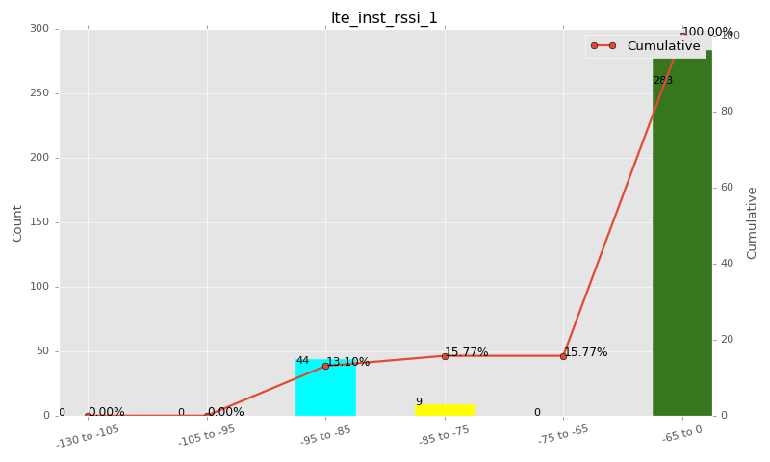

Sampling Distribution Table (first 10 ranges)
ColorXml | Lower | Upper | N Samples | Range | % | Cumulative %
 | -130 | -105 | 0 | -130 to -105 | 0.00 | 0.00
 | -105 | -95 | 0 | -105 to -95 | 0.00 | 0.00
 | -95 | -85 | 44 | -95 to -85 | 13.10 | 13.10
 | -85 | -75 | 9 | -85 to -75 | 2.68 | 15.77
 | -75 | -65 | 0 | -75 to -65 | 0.00 | 15.77
 | -65 | 0 | 283 | -65 to 0 | 84.23 | 100.00

Basic statistics
N | 336
Mean | -57.23
SD | 13.23
MAX | -47.44
Median | -51.88
Min | -89.88

Geographical Plot

lte_sinr_rx0_1
lte_sinr_rx0_1 Report

Sampling Distribution Histogram
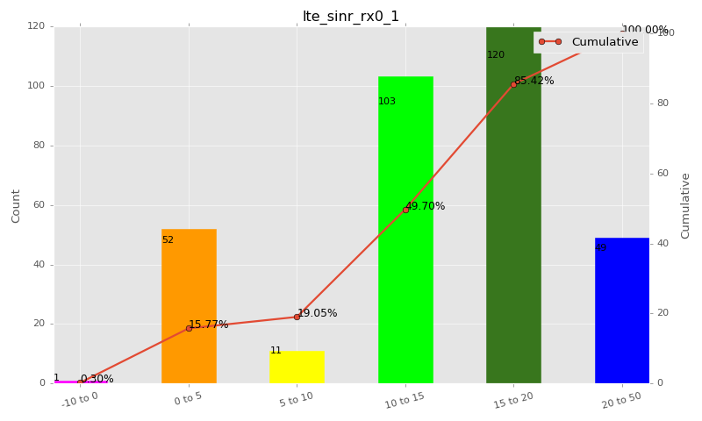

Sampling Distribution Table (first 10 ranges)
ColorXml | Lower | Upper | N Samples | Range | % | Cumulative %
 | -10 | 0 | 1 | -10 to 0 | 0.30 | 0.30
 | 0 | 5 | 52 | 0 to 5 | 15.48 | 15.77
 | 5 | 10 | 11 | 5 to 10 | 3.27 | 19.05
 | 10 | 15 | 103 | 10 to 15 | 30.65 | 49.70
 | 15 | 20 | 120 | 15 to 20 | 35.71 | 85.42
 | 20 | 50 | 49 | 20 to 50 | 14.58 | 100.00

Basic statistics
N | 336
Mean | 14.03
SD | 6.40
MAX | 25.60
Median | 15.04
Min | -0.10

Geographical Plot

lte_sinr_rx1_1
lte_sinr_rx1_1 Report

Sampling Distribution Histogram
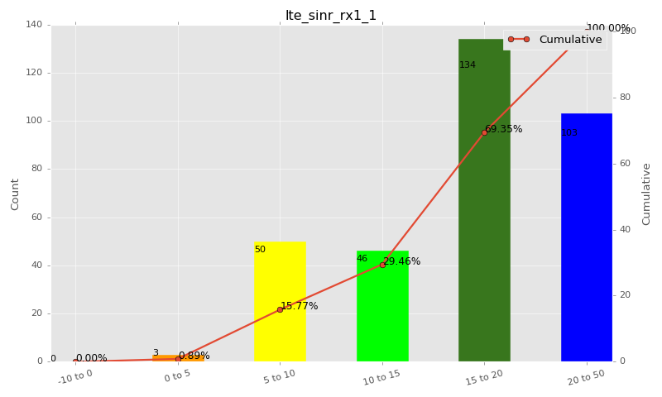

Sampling Distribution Table (first 10 ranges)
ColorXml | Lower | Upper | N Samples | Range | % | Cumulative %
 | -10 | 0 | 0 | -10 to 0 | 0.00 | 0.00
 | 0 | 5 | 3 | 0 to 5 | 0.89 | 0.89
 | 5 | 10 | 50 | 5 to 10 | 14.88 | 15.77
 | 10 | 15 | 46 | 10 to 15 | 13.69 | 29.46
 | 15 | 20 | 134 | 15 to 20 | 39.88 | 69.35
 | 20 | 50 | 103 | 20 to 50 | 30.65 | 100.00

Basic statistics
N | 336
Mean | 16.72
SD | 5.13
MAX | 25.70
Median | 17.49
Min | 4.10

Geographical Plot

lte_physical_cell_id_1
lte_physical_cell_id_1 Report

Sampling Distribution Histogram
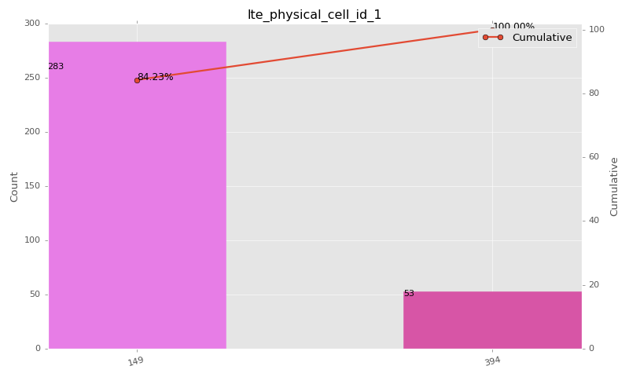

Sampling Distribution Table (first 10 ranges)
ColorXml | Lower | Upper | match_value | N Samples | Range | % | Cumulative %
 |  |  | 149 | 283 |  | 84.23 | 84.23
 |  |  | 394 | 53 |  | 15.77 | 100.00

Basic statistics
N | 336
Mean | N/A (id-type column: lte_physical_cell_id_1)
SD | N/A (id-type column: lte_physical_cell_id_1)
MAX | N/A (id-type column: lte_physical_cell_id_1)
Median | N/A (id-type column: lte_physical_cell_id_1)
Min | N/A (id-type column: lte_physical_cell_id_1)

Geographical Plot

lte_earfcn_1
lte_earfcn_1 Report

Sampling Distribution Histogram
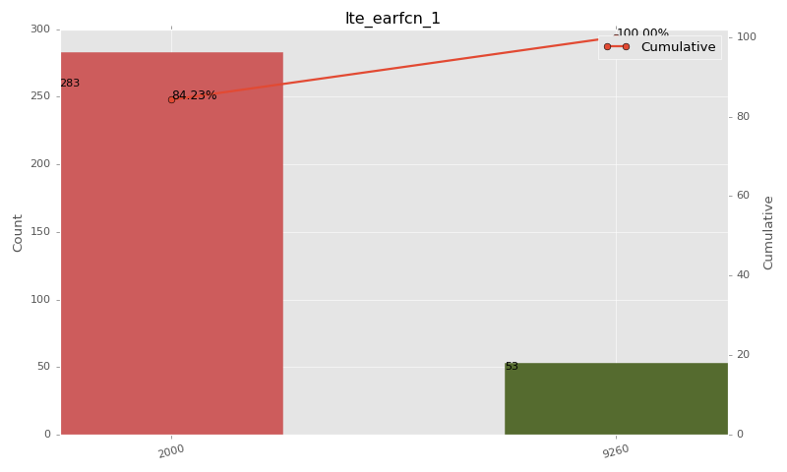

Sampling Distribution Table (first 10 ranges)
ColorXml | Lower | Upper | match_value | N Samples | Range | % | Cumulative %
 |  |  | 2000 | 283 |  | 84.23 | 84.23
 |  |  | 9260 | 53 |  | 15.77 | 100.00

Basic statistics
N | 336
Mean | N/A (id-type column: lte_earfcn_1)
SD | N/A (id-type column: lte_earfcn_1)
MAX | N/A (id-type column: lte_earfcn_1)
Median | N/A (id-type column: lte_earfcn_1)
Min | N/A (id-type column: lte_earfcn_1)

Geographical Plot

